Application Screen
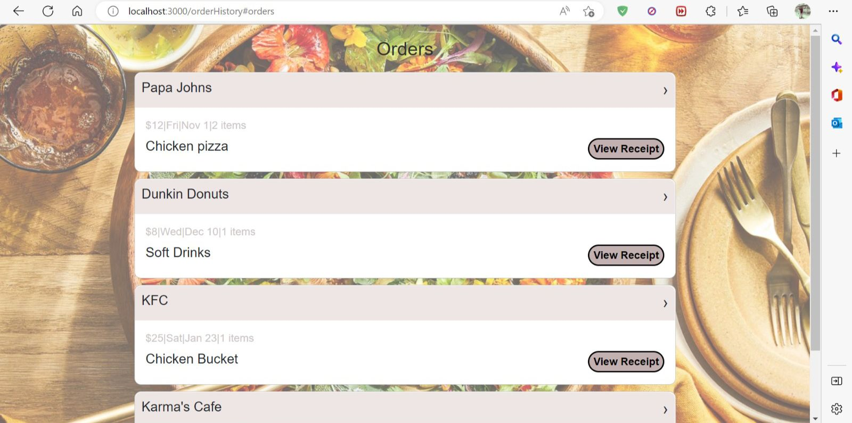


The Search Food Items are matching the criteria setforth in the Search Restaurant page. It works perfectly fine.

